Sheet1
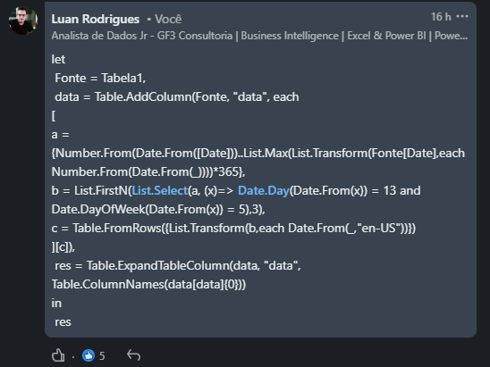

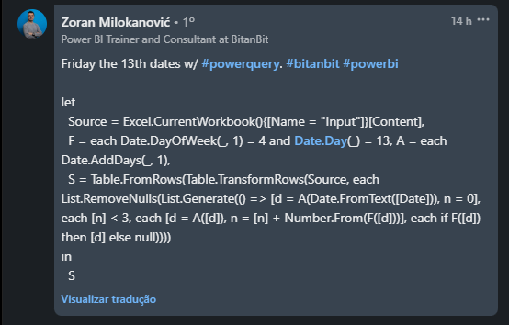
Date | Expected Answer
1981-12-04 | 1982-08-13 | 1983-05-13 | 1984-01-13
1995-04-12 | 1995-10-13 | 1996-09-13 | 1996-12-13
1998-12-31 | 1999-08-13 | 2000-10-13 | 2001-04-13
2019-12-01 | 2019-12-13 | 2020-03-13 | 2020-11-13
2034-02-23 | 2034-10-13 | 2035-04-13 | 2035-07-13
2090-07-03 | 2090-10-13 | 2091-04-13 | 2091-07-13
2160-08-12 | 2161-02-13 | 2161-03-13 | 2161-11-13
2234-03-17 | 2234-06-13 | 2235-02-13 | 2235-03-13
2290-11-29 | 2291-02-13 | 2291-03-13 | 2291-11-13
Encontre as próximas 3 datas de sexta-feira 13 para datas dadas na coluna A

